Stocks
Item No.: | 370743
Desc.: | Lady's sweat top (fleece lining,stretched)
Qty.: | 5,000 | pcs
Price: | US$2.99/pc FOB China Port
Material: | 95%polyester,5%spandex
Size: | XS, S, M, L, XL
Color: | 4colors: dk.green,royal blue,beige,brown
Packing: | ctn packing
Brand: | SHEIN

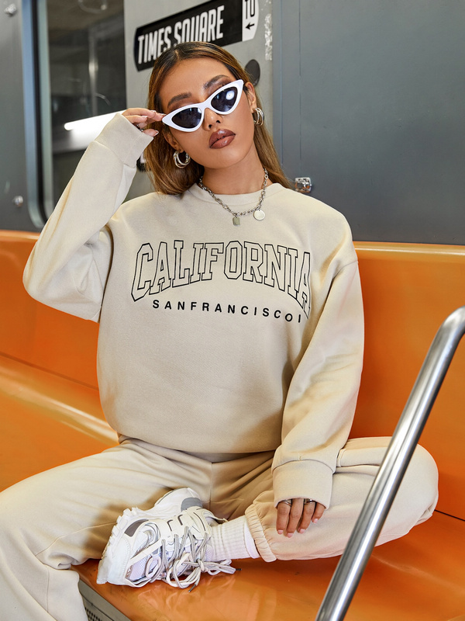 c807f136526b879413106f887585d9d7 |  |  | 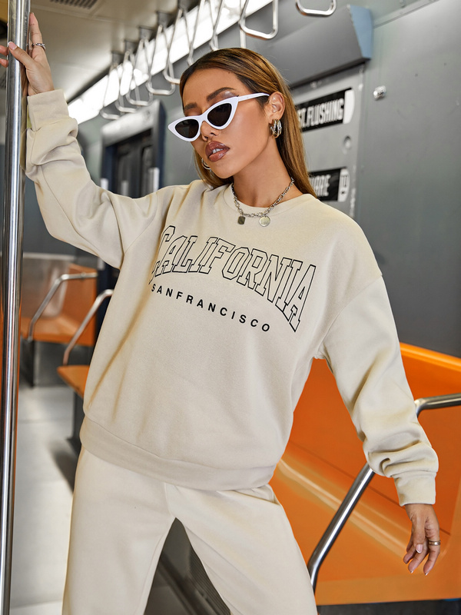 5c1ff9e59557d373b83e009a06472c29 | 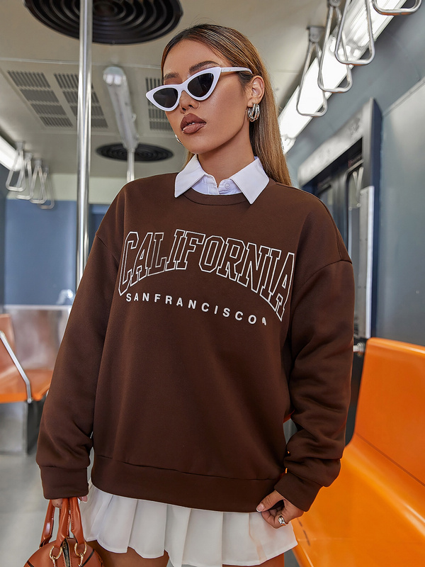 a0f97b3be90ed318f23a02ba1c52e388 | 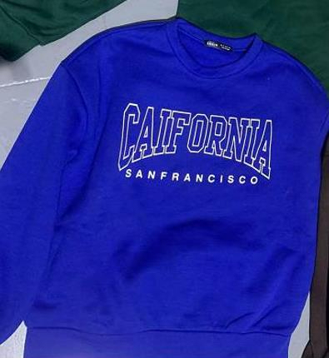 a24c25f64c3081fb492c92bca1582500

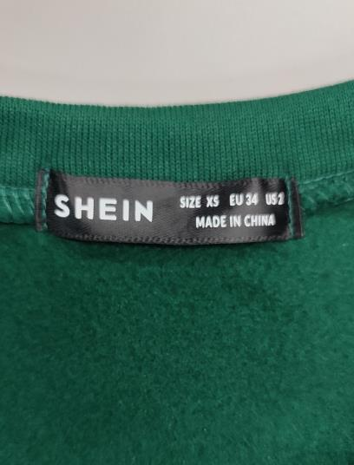 da55ba90b9b063f97edcada58aa56f1f |  |  | 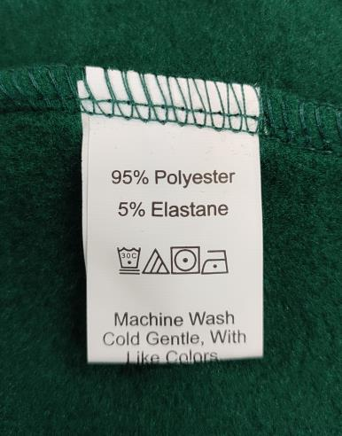 a2e12af520003a14381bc7cd39bf3aa5 | 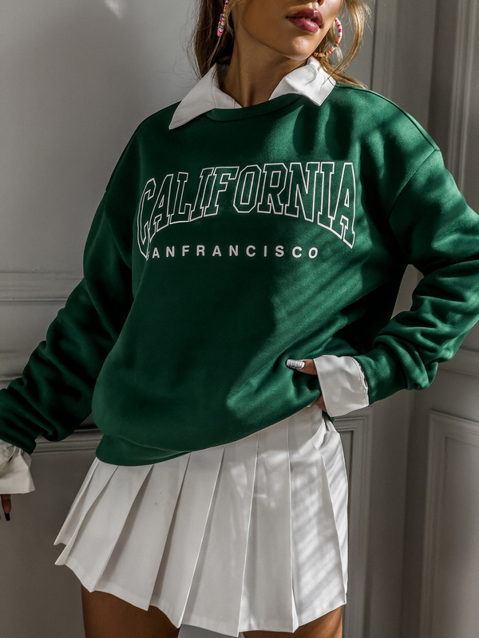 457ad8a71a5c5ead002d2f7fbb99a6fc | 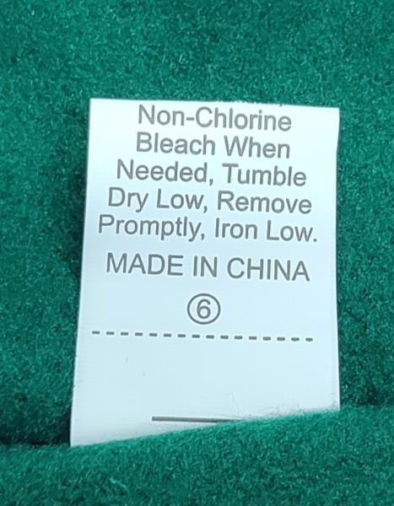 b4b6c7c88f6accb1708e4825ee532e58

