Pictures
Image | Config-SKU | Brand
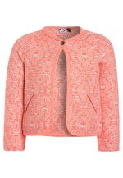 | PO923L00Z-J11 | 3 Pommes
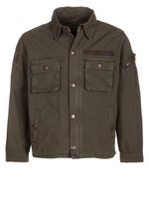 | AL524G000-N11 | Alpha Industries
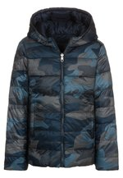 | 4BE24L01A-K11 | Benetton
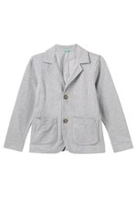 | 4BE24L04R-C11 | Benetton
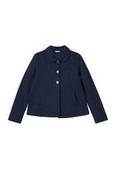 | 4BE23L04L-K11 | Benetton
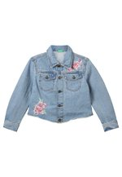 | 4BE23L04G-K11 | Benetton
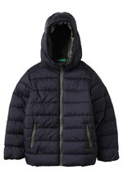 | 4BE24L04D-Q11 | Benetton
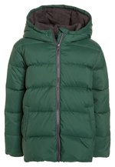 | 4BE24L04I-M11 | Benetton
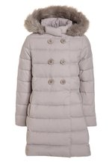 | 4BE23L041-B11 | Benetton
 | 4BE24L04D-Q11 | Benetton
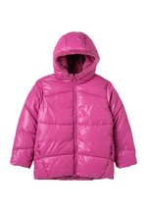 | 4BE23L042-I11 | Benetton
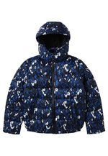 | BI324L003-K11 | Bikkembergs Kids
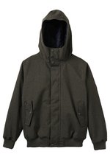 | BI724L00R-M11 | Billabong
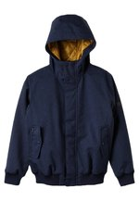 | BI724L00R-K11 | Billabong
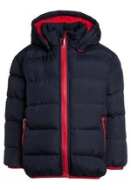 | BL824L01F-K11 | Blue Seven
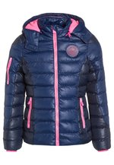 | C7423L01H-K11 | Cars Jeans
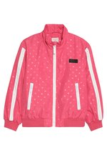 | ES123L03U-J11 | Esprit
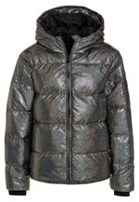 | FIP23L001-Q11 | Finger in the nose
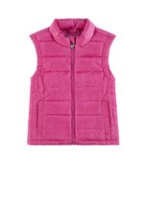 | KA723L01K-J11 | Kanz
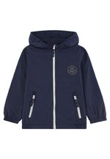 | KA724L01K-K11 | Kanz
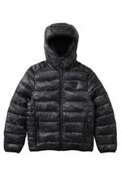 | K2024L01J-M11 | Kaporal
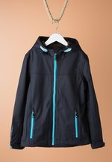 | ZZLL8V011-K00 | Killtec
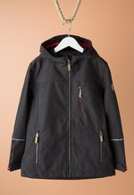 | ZZLL8V017-Q00 | Killtec
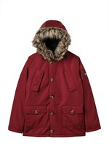 | LEG24L018-G11 | Lemon Beret
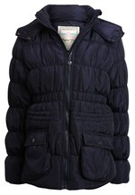 | LEG23L005-K11 | Lemon Beret
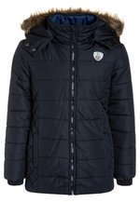 | LEG23L00D-K11 | Lemon Beret
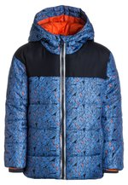 | LEG24L00T-K12 | Lemon Beret
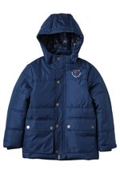 | LEG24L00U-P11 | Lemon Beret
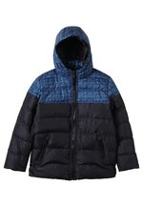 | LEG24L00S-Q11 | Lemon Beret
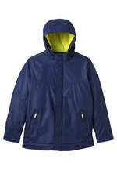 | LEG24L00X-K11 | Lemon Beret
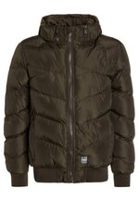 | LEG24L010-N11 | Lemon Beret
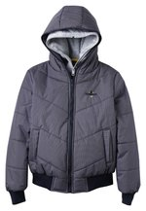 | LEG24L013-K11 | Lemon Beret
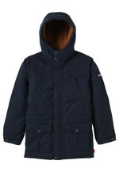 | LE224L01H-K11 | Levi's®
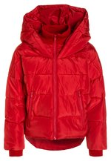 | L0423L00E-G12 | LMTD
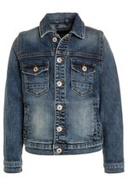 | LT124L00B-K12 | LTB
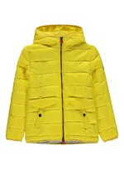 | MA324L01J-E11 | Marc O'Polo
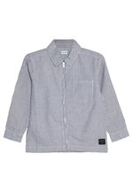 | MI624L00A-K11 | MINI A TURE
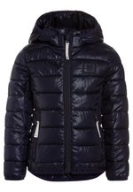 | M8523L01O-I11 | Molo
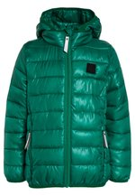 | M8524L01M-M11 | Molo
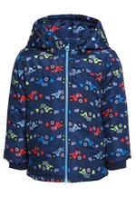 | NA824L02P-K11 | Name it
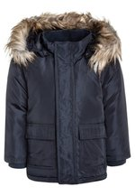 | NA824L05C-K11 | Name it
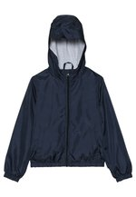 | NA824L0BL-K11 | Name it
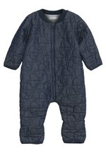 | NA826L00L-K11 | Name it
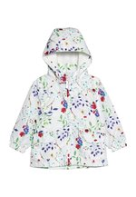 | NA823L0BX-A11 | Name it
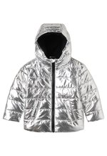 | OU524L01C-D11 | Outfit Kids
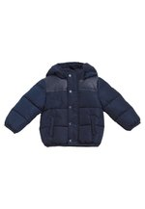 | OV024L03C-K11 | OVS
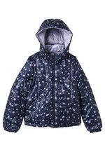 | OV023L01O-K11 | OVS
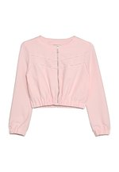 | P1423L00J-J11 | Patrizia Pepe
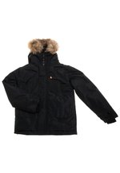 | ZZLEVJ005-Q00 | Peak Mountain
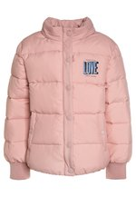 | PE123L029-J11 | Pepe Jeans
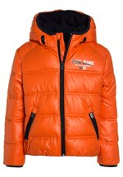 | PE124L02R-H11 | Pepe Jeans
 | PE123L02G-T11 | Pepe Jeans
 | PE123L033-M11 | Pepe Jeans
 | PE124L03A-M11 | Pepe Jeans
 | PE123L02X-T11 | Pepe Jeans
 | PE123L02Z-T11 | Pepe Jeans
 | PE123L030-T11 | Pepe Jeans
 | PE624L00R-K11 | Petit Bateau
 | P6823L00U-J11 | Petrol Industries
 | P6824L01S-K11 | Petrol Industries
 | PO224L02R-K11 | Polo Ralph Lauren
 | PO224L02L-K11 | Polo Ralph Lauren
 | R2724L013-G11 | Redskins
 | R2724L014-K11 | Redskins
 | R2724L014-G11 | Redskins
 | R2724L018-Q11 | Redskins
 | RG524L007-K11 | Re-Gen
 | RM723L02T-K11 | Reima
 | RM723N00G-I11 | Reima
 | RM723N00D-K11 | Reima
 | RM723L02L-I11 | Reima
 | RM726L02A-Q11 | Reima
 | RM723L02P-J11 | Reima
 | RM724L01Z-M11 | Reima
 | RE323L00E-N11 | Replay
 | RJ224L00J-M11 | Retour Jeans
 | RJ223L00Q-F11 | Retour Jeans
 | RI724L01C-K11 | Rip Curl
 | RI923L01O-A11 | River Island
 | RI924L00V-O11 | River Island
 | SC923L010-N11 | Scotch R'Belle
 | SC624L01F-N11 | Scotch Shrunk
 | STF24L00P-K11 | Staccato
 | STF23L00F-K11 | Staccato
 | STF23L00E-I11 | Staccato
 | S1526L00G-J11 | Steiff Collection
 | S1523L01V-A11 | Steiff Collection
 | ZZLFNG015-C00 | Ticket to Heaven
 | TI623L016-J11 | Ticket to Heaven
 | TO123L029-K11 | Tommy Hilfiger
 | UNG24L000-K11 | Unauthorized
 | V2024L02L-K11 | Vingino
 | V2024L02L-Q11 | Vingino
 | V2023L02A-Q11 | Vingino
 | V2023L02O-J11 | Vingino
 | V2024L02T-K11 | Vingino
 | V2024L02R-Q11 | Vingino
 | WHA23L009-J11 | Wheat
 | GP023L02P-J11 | GAP
 | GP023L02K-K11 | GAP
 | G0C23L006-K11 | GEORGE GINA & LUCY girls
 | HU323L00G-G11 | Hummel
 | JC424L007-M11 | J.CREW
 | JC424L006-M11 | J.CREW
 | JC423L002-K11 | J.CREW
 | ZZLL8V017-K00 | Killtec

